Charts
EQUITY |  |  |  |  |  |  |  |  |  |  |  |  |  | OPTIONS

1. Portfolio Equity |  |  |  |  |  |  |  |  |  |  |  |  |  | 1. Portfolio Equity
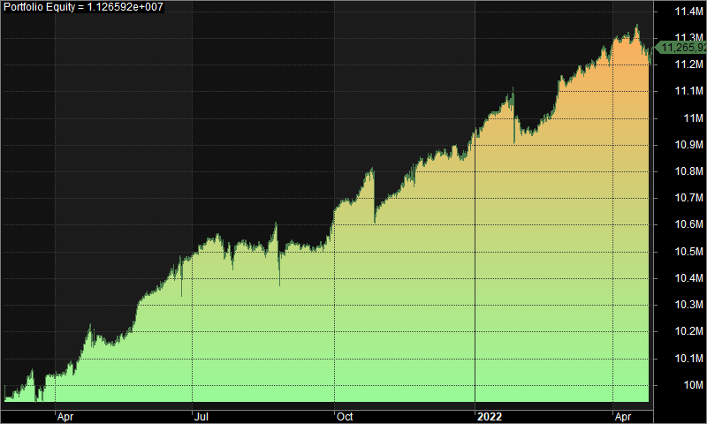
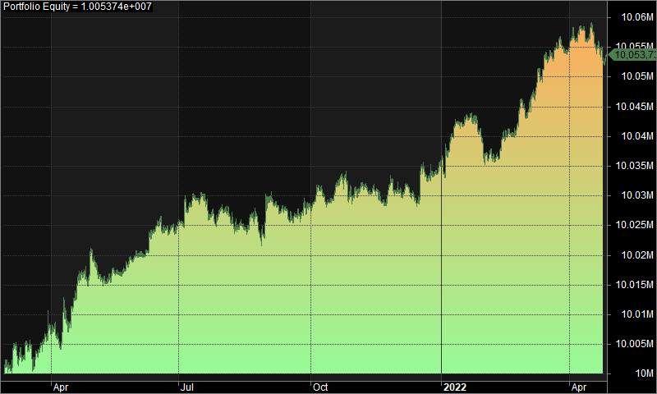

2. Underwater Equity |  |  |  |  |  |  |  |  |  |  |  |  |  | 2. Underwater Equity

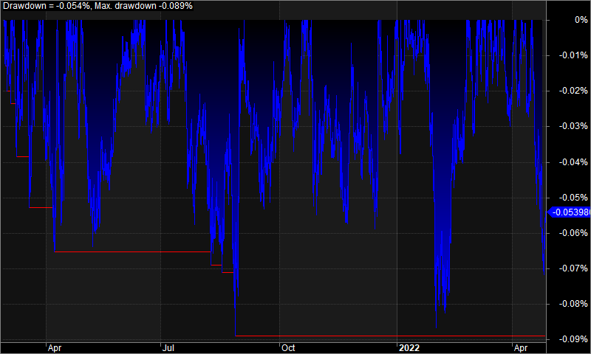
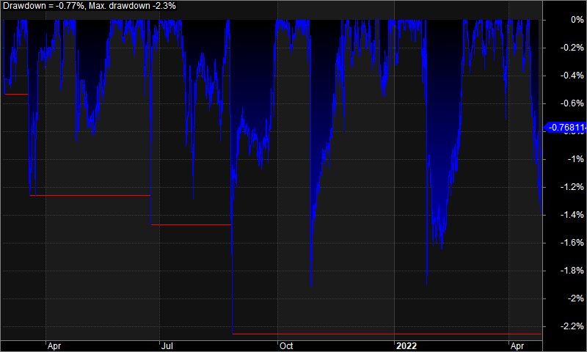

 |  |  |  |  |  |  |  |  |  |  |  |  |  | 3. Profit Table
3. Profit Table
 |  |  |  |  |  |  |  |  |  |  |  |  |  | Year | Jan | Feb | Mar | Apr | May | Jun | Jul | Aug | Sep | Oct | Nov | Dec | Yr%
Year | Jan | Feb | Mar | Apr | May | Jun | Jul | Aug | Sep | Oct | Nov | Dec | Yr% | 2021 | N/A | -0.40% | 0.80% | 1.30% | 1.50% | 1.60% | 0.50% | -0.10% | 1.20% | 0.10% | 1.80% | 0.90% | 9.50%
2021 | N/A | 0.00% | 0.10% | 0.10% | 0.00% | 0.10% | 0.00% | 0.00% | 0.00% | 0.00% | 0.00% | 0.00% | 0.40% | 2022 | 0.30% | 1.40% | 1.20% | -0.10% | N/A | N/A | N/A | N/A | N/A | N/A | N/A | N/A | 2.90%
2022 | 0.00% | 0.10% | 0.10% | 0.00% | N/A | N/A | N/A | N/A | N/A | N/A | N/A | N/A | 0.20% | Avg | 0.30% | 0.50% | 1.00% | 0.60% | 1.50% | 1.60% | 0.50% | -0.10% | 1.20% | 0.10% | 1.80% | 0.90%
Avg | 0.00% | 0.00% | 0.10% | 0.00% | 0.00% | 0.10% | 0.00% | 0.00% | 0.00% | 0.00% | 0.00% | 0.00%

